1. Instructions
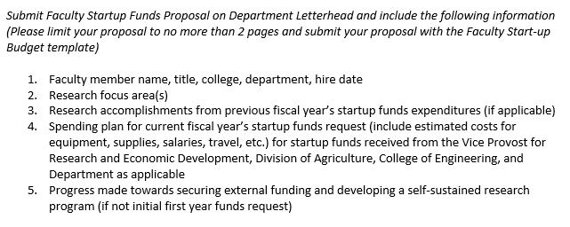
Division of Research and Innovation Startup Funding Request Form

Instructions

1. Please name the spreadsheet with faculty name and year (e.g. James Madison 2023)

2. On Worksheet 2. Summary, the Department Head/Chair or Research Dean will transfer the four numbers from the Approved Hiring Plan associated with the new faculty hire. Indicate if the numbers in yellow are identical to the hiring plan or are different.

3. The Academic Policy on New Faculty Startup suggests the following distribution:

4. In Table 2a of 2. Summary Worksheet, do not include renovation costs, that goes in Table 2b and is updated yearly.

5. Table 3 of 2. Summary Worksheet is updated annually by the faculty member. For each year, indicate proposed amounts, then update at year end.

6. On Worksheet 3. Equipment Renovation (DRI), the faculty member should provide a high level synopsis of equipment and renovation items.

7. See Worksheet 4. Academic Policy 1405.16F. This policy governs startup funds.

8. Each startup request year, the faculty member updates their college and DRI with a two page report. Paste the report over here (yes you can do this in an excel file, instructions below) ---------->

